Sheet1
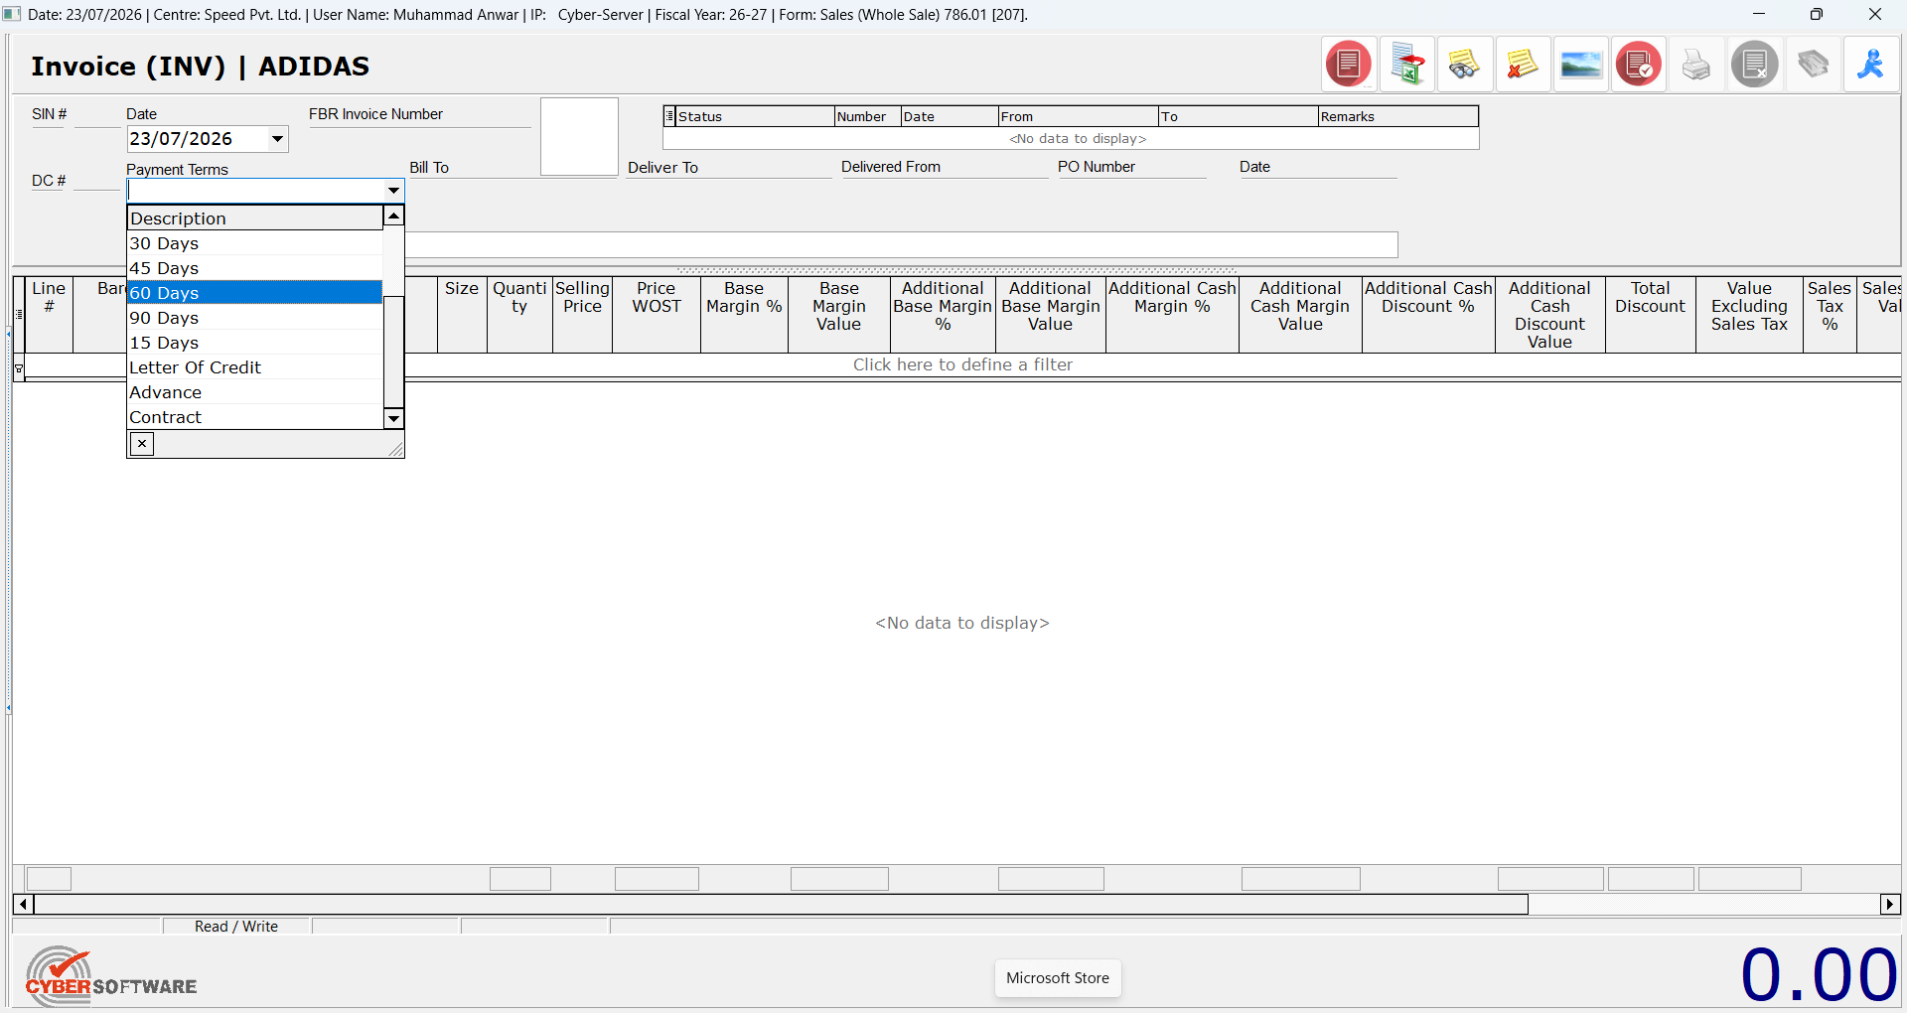
Trader ID | Company | Sub Code | Brands | Base Margin | Cash Margin | Rematks | Address | Delivery Address | CNIC | NationalTaxNumber | GeneralSalesTaxNumber
2 | ZAHEER ASSOCIATES | 310001 | Nike/Under Armour | 35 | 3 | On Both | Shop No. 4 Block 104 East Chenab Plaza Blue Area Islamabad. | House # 78, Street 96, i-8/4, Islamabad. Contact # 0300-855 2662 |  | 1623094-9 | 1623094-9
22375 | KINETIC BUSINESS SOLUTIONS | 120080 | All Brands | 35 | 0 |  | PLOT # 27 SECTOR NO 15 KORANGI INDUSTRIAL AREA KORANGI KORANGI TOWN |  |  | 4395126-7 | 32-77-8762-207-86
22382 | LEOPARDS COURIER SERVICES | 120127 | All Brands | 0 | 0 |  | 46-E E-MARKET BLOCK-6 P.E.C.H.S.46-E MARKET BLOCK-6 P.E.C.H.S46-E MARKET BLOCK-6 P.E.C.H.S PLAZA SQUARE KARACHI |  | 0 | 2824502-4 | 12-00-9808-001-91
22388 | PEPSI-COLA INTERNATIONAL (PRIVATE) LIMITED | 310030 | Nike/Adidas & UA | 0 | 0 |  | 37-C-1 GULBERG-III |  | 0 | 0711631-4 | 05-07-2106-001-55
22397 | The Services Group | 310033 | Nike/Under Armour | 10 | 0 | On Both | 1st Floor NW-719 Hamza Plaza Opp.Rasheed Nursing Home Saidpur Road. |  | 0 | 3651708-9 | 23-00-3651-170-81
22400 | Standard Brands (Pvt) Ltd. |  | Nike/Adidas & UA | 20 | 0 | On All | 49-LG AL-Latif Center Main Boulevard Gulberg |  | N/A | 3273101-9 | 03-03-9998-503-28
22407 | Arctan Engineering Solutions PVT LTD |  | Nike/Adidas & UA | 10 | 0 | On All | 619 Ravi Block Allama Iqbal Town |  | N/A | 7472591-8 | 32-77-8761-362-08
22408 | IDEA LO | 310037 | Nike/Adidas, PUMA, Asics & UA | 9.48 | 0 | On All | 62 College Block Allama Iqbal Town |  | 0 | 6590714-5 | 6590714-5
22418 | Sind Club |  | Nike/Adidas, Birkenstock & UA | 50 | 0 | On All | Abdullah Haroon Road. |  | 0 | 0674950-0 | 12-00-9801-230-19
22420 | LifeStyle Collection | 310012 | Watches | 25 | 0 |  | 2 Uzma Court Block-8 Clifton |  | 0 | 0545476-0 | 0545476-0
22423 | International Watch Company | 310006 | Watches | 25 | 0 |  | SB-5/14 Zaib-un-nisa Street Saddar |  | 0 | 2261715-9 | 2261715-9
22428 | Nizam Watch House-3 | 310018 | Watches | 25 | 0 |  | Ground Level The Centaurus Mall |  | 0 | 1334782-9 | 1334782-9
22432 | LIMTON WATCH COMPANY | 310008 | Watches | 15 | 0 |  | Shop#4Ground FloorState Life BuildingSaddar |  | 0 | 3730262-7 | 3730262-7
22435 | THE LEGEND | 120095 | Watches | 25 | 0 |  | PLOT NO 1-C STREET7ABADAR COMMERCIAL PHASE-V EXT DHA KARACHI SOUTH SADDAR TOWN |  | 0 | 1558685-5 | 1558685-5
22476 | Waseem Jewellers | 310040 | Watches | 18 | 0 |  | 25-C1 MM ALAM ROAD GULBERG III. GULBERG TOWN |  |  | 1031998-7 | 35-20-1158-532-25
22570 | PAK LOGISTICS SOLUTIONS | 120124 | All Brands | 35 | 0 |  | 49 / A BLOCK – 2 P.E.C.H.S. KARACHI KARACHI EAST JAMSHED TOWN |  |  | 4578604-3
22601 | SERVICE LONG MARCH TYRES LIMITED | 310074 | Watches | 20 | 0 |  | Service House 2-Main Gulberg Town |  |  | 6705949-4 | 6705949-4

